WeeklyPrep
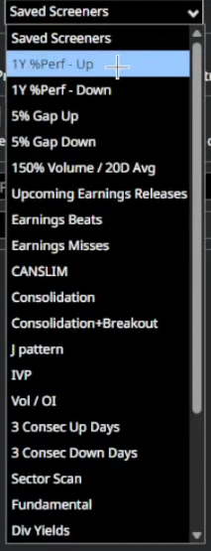
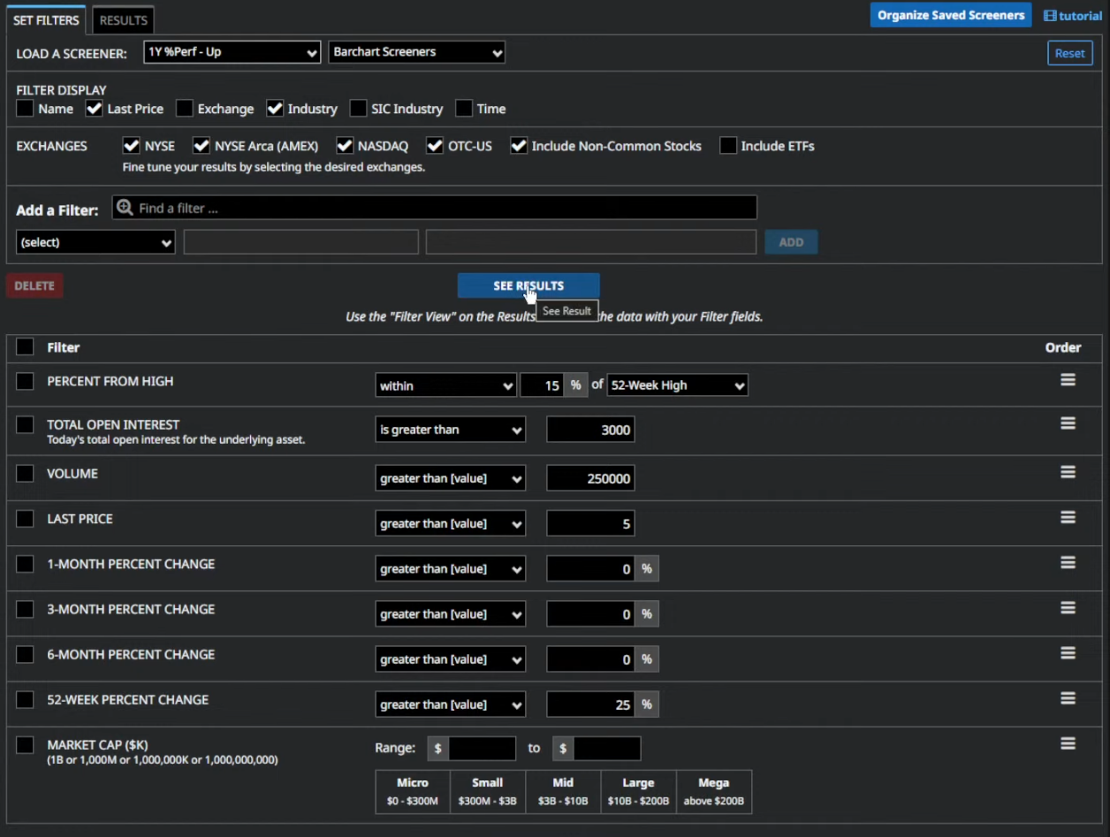
Date | Index Bias | Breath | Notable Sectors | Volatility notes | Open positoins require management | Current Portfolio risk | Portfolio notes | Scanning for | Index / Sector preference | Watchlist (Bias) | Learnings | Focus for Improvement | Eriks comments
2025-12-08 | Neutral | Neutral |  |  | None | Insufficient |  | Portfolio Need |  |  |  |  | IBIT => Long term holding Telecommunication still strong even though NQ is weak PLTR more likely to upside than downside Scanner for ComSrv. AXTI sell 16 Jan 20 Call, buy 15 May 17.5 ONDS 20 Mar 12 Call buy, sell
2026-01-12 | Bullish | Neutral | 1W | XLB, XLY up | XLV (large intraweek swing) | Compressed and low | SLV | Sufficient | Additional exposure to indices needed | Portfolio Need, Opportunity |  |  |  | Price action of ATR2x, Peads and Std 1-2x movers | CELC
2026-01-25 | Neutral | Neutral | Bottom 3 XLU, XLRE, XLF | Top 3: XLB, XLY, XLE | After the Monday spike back to the 16 level. I expect it to be elevated due to the geopolitical tensions. | CL? | Sufficient | Sufficient but should add some negative delta | Opportunity | XLU, XLF | Currently looking daily for PEADS opportunities to both sides | I need to respect my trading timeframe. Tried to profit short term (7DTE) from the NG Volatility but with the wild swings on Thursday and the short time horizon this was actually a day trade that did not make sense when you cannot manage it.

Capital
Date | Net Liqidity | Maintenance | Excess Liq | BPR | Maint/PCT | PnL | UnrPnL | UnrlPnL% | RealizedPnL | RealizedPnL% | Delta | Theta | Vega | Gamma | AVG IV | Margin | Duration% | PnL%/Duration% | ROI | Commisions
2025-12-29 | 55038 | 5370 | 47716 | 398107 | 9.757 | -1,735.98 | 370.99 | -0.45 | -2,094.57 | 1.65 | 3.8124 | 3.18 | 33.67 | 2.85 | 56.85 | 154947 | -45,107.83 | 1067.196 |  | 1578.716
2026-01-07 | 55181 | 10644 | 41970 | 359803 | 19.289
Net Liqidity
2026-01-08 | 55071 | 11835 | 40573 | 350489 | 21.490
2026-01-12 | 55029 | 12559 | 39620 | 344133 | 22.823
2026-01-14 | 54544 | 15483 | 35947 | 319645 | 28.386
2026-01-14 | 54160 | 11872 | 39261 | 341739 | 21.920
2026-01-17 | 54223 | 12949 | 37566 | 330441 | 23.881
2026-01-20 | 54044 | 12915 | 37452 | 249681 | 23.897
2026-01-22 | 54385 | 13396 | 37200 | 248000 | 24.632
2026-01-22 | 54575 | 13559 | 37170 | 247802 | 24.845
2026-01-23 | 54577 | 13387 | 38469 | 256460 | 24.529
2026-01-28 | 54614 | 13417 | 39004 | 260029 | 24.567
2026-01-30 | 53690 | 26070 | 23723 | 158151 | 48.557
2026-02-02 | 54499 | 27514 | 22617 | 150780 | 50.485
2026-02-03 | 54161 | 28551 | 21442 | 142943 | 52.715
2026-02-05 | 51533 | 32490 | 14604 | 97361 | 63.047
2026-02-06 | 53590 | 25992 | 23955 | 159703 | 48.502
2026-02-10 | 53941 | 13678 | 37804 | 252026 | 25.357
2026-02-11 | 54361 | 16562 | 35102 | 234011 | 30.467
2026-02-12 | 53471 | 22404 | 27875 | 185830 | 41.899
2026-02-13 | 53717 | 22602 | 27998 | 186656 | 42.076
2026-02-23 | 54254 | 22321 | 28733 | 191551 | 41.142
2026-02-24 | 54535 | 20464 | 31011 | 206742 | 37.525 | Non logged Trades | Non added Instruments
2026-02-25 | 54860 | 19936 | 31760 | 211734 | 36.340 |  | DIS
2026-02-27 | 55100 | 19896 | 32201 | 214673 | 36.109 |  | VRT
2026-03-02 | 55139 | 20596 | 31491 | 209941 | 37.353 |  | RGNX
2026-03-03 | 53073 | 26313 | 22928 | 152854 | 49.579 |  | DFTX
2026-03-04 | 54246 | 26816 | 23313 | 155422 | 49.434 |  | CBZ
2026-03-06 | 52288 | 27177 | 21289 | 141924 | 51.976 |  | PURR
2026-03-09 | 53144 | 26465 | 22814 | 152091 | 49.799 |  | XXI
2026-03-10 | 53708 | 23123 | 26893 | 179288 | 43.053
2026-03-11 | 53803 | 22902 | 27231 | 181543 | 42.566

TradeAnalysis
PnL
Cumulative P&L by closed positions
Budget | Speculative
Strategy | PEADS, Momentum, Breakout, Green Line Breakout, Slingshot |  |  | AVG DOWN | -359.0946
 |  |  |  | AVG UP | 162.93515
Entries: |  |  |  | AVG | -32.73409231 | 13.82575758

 |  | #VALUE! |  |  | sum
 |  |  |  |  | 43.748 | 43.748
 |  |  | sum | 2026-01-05 | 286.249 | 329.997
CMCSA | 2025-12-16 | 2025-12-16 | -145.028 | 2026-01-07 | 237.666 | 567.663
MSOS | 2025-12-16 | 2026-01-07 | -60.049 | 2026-01-12 | -249.704 | 317.959
CRML | 2026-01-06 | 2026-01-08 | -27.098 | 2026-01-13 | -986.771 | -668.812
COMP | 2026-01-07 | 2026-01-14 | -266.101 | 2026-01-14 | 50.797 | -618.015
ARDX | 2026-01-08 | 2026-01-20 | -62.94 | 2026-01-16 | -211.074 | -829.089
BW | 2026-01-08 | 2026-01-21 | 9.493 | 2026-01-19 | 109.6 | -719.489
IBIT | 2026-01-14 | 2026-01-22 | -356.098 | 2026-01-20 | -266.101 | -985.59
CEG | 2026-01-16 | 2026-01-23 | -88.1 | 2026-01-22 | 65.478 | -920.112
P&L / Day by closed positions
WFC | 2026-01-20 | 2026-01-28 | -43.05 | 2026-01-23 | 178.894 | -741.218
O | 2026-01-20 | 2026-01-30 | 263.399 | 2026-01-26 | 107.393 | -633.825
NFLX | 2026-01-21 | 2026-02-02 | 3.949 | 2026-01-28 | -47.014 | -680.839
CRBG | 2026-01-21 | 2026-02-06 | 13.45 | 2026-02-02 | 146.441 | -534.398
SFM | 2026-01-21 | 2026-02-10 | 29.499 | 2026-02-03 | 262.648 | -271.75
NG | 2026-01-22 | 2026-02-11 | 17.201 | 2026-02-04 | 250.499 | -21.251
IBKR | 2026-01-22 | 2026-02-12 | -22.65 | 2026-02-05 | -78.66 | -99.911
HAL | 2026-01-22 | 2026-02-13 | -57.799 | 2026-02-06 | 242.617 | 142.706
ORI | 2026-01-22 | 2026-02-17 | -35.049 | 2026-02-09 | -1191.459 | -1048.753
INTC | 2026-01-23 | 2026-02-27 | 9.951 | 2026-02-10 | 198.742 | -850.011
ERIC | 2026-01-23 |  |  | 2026-02-11 | 81.794 | -768.217
PBR | 2026-01-23 |  |  | 2026-02-12 | 18.798 | -749.419
NEE | 2026-01-27 |  |  | 2026-02-13 | 204.951 | -544.468
SYY | 2026-01-27 |  |  | 2026-02-14 | -5.539 | -550.007
TXN | 2026-01-28 |  |  | 2026-02-17 | -39.501 | -589.508
LOGI | 2026-01-28 |  |  | 2026-02-20 | -730.999 | -1320.507
TXT | 2026-01-28 |  |  | 2026-02-22 | -291 | -1611.507
UMC | 2026-01-28 |  |  | 2026-02-23 | 73.495 | -1538.012
SNDK | 2026-01-30 |  |  | 2026-02-24 | -87.753 | -1625.765
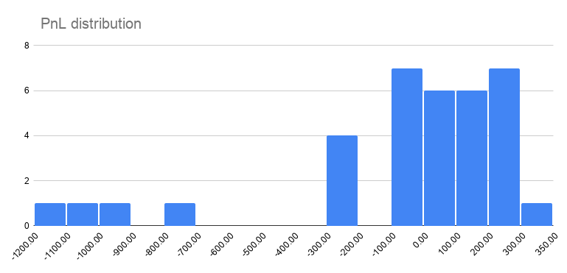
T | 2026-01-30 |  |  | 2026-02-26 | 129.949 | -1495.816
CVX | 2026-01-30 |  |  | 2026-03-02 | 310.596 | -1185.22
SOFI | 2026-02-02 |  |  | 2026-03-04 | -50.045 | -1235.265
MFG | 2026-02-03 |  |  | 2026-03-06 | -99.75 | -1335.015
ALM | 2026-02-05 |  |  | 2026-03-09 | -1051.049 | -2386.064
APG | 2026-02-05 |  |  | 2026-03-11 | 258.348 | -2127.716
MUFG | 2026-02-06
EMR | 2026-02-06
HON | 2026-02-06
UBS | 2026-02-06
CFG | 2026-02-06
PGY | 2026-02-10
TSM | 2026-02-11
VZ | 2026-02-11
DD | 2026-02-11
WMB | 2026-02-11
BKR | 2026-02-11
WDC | 2026-02-12
HOOD | 2026-02-12
NFLX | 2026-02-12
UBER | 2026-02-12
KO | 2026-02-12
IBIT | 2026-02-13
NI | 2026-02-13
AEP | 2026-02-13
APO | 2026-02-13
WT | 2026-02-17
NYT | 2026-02-17
BMY | 2026-02-24
NVTS | 2026-02-25
NFLX | 2026-02-25
FIG | 2026-02-25
LION | 2026-02-27
XRAY | 2026-02-27
NAT | 2026-02-27
LASR | 2026-02-27
MNST | 2026-02-27
TIGO | 2026-03-02
SNY | 2026-03-03
NCLH | 2026-03-03
T | 2026-03-04
CM | 2026-03-04
SBS | 2026-03-04
JD | 2026-03-06
BW | 2026-03-09
DIS | 2026-03-09
VRT | 2026-03-09
RGNX | 2026-03-09
DFTX | 2026-03-10
CBZ | 2026-03-10
PURR | 2026-03-11
XXI | 2026-03-10

